Morningstar Ratings
Fund URL | https://advisors.vanguard.com/investments/products/vcobx/vanguard-core-bond-fund-admiral-shares
CUSIP | Get the CUSIP from the Fund Overview's “Fund Characteristics" section.
Genrate the Access Code | Generate the access token by calling the https://gsx-morningstar-token-webservice-external.ecs.us-east-1.fast.c1.vanguard.com/access-code endpoint. From the response, copy the value of the code field as the access code.
Genrate the URL by replacing the cusip & access_code | https://api.morningstar.com/v2/service/mf/mqksgsypm7w0d0iz/cusip/{cusip}?format=json&accesscode={access_code} Example: https://api.morningstar.com/v2/service/mf/mqksgsypm7w0d0iz/cusip/922020839?format=json&accesscode=s3gfqvvuw40e1p6gdgyl4ly05f468jh8
Retrieve Morningstar Ratings | data → api → _id data → api → FSCBI-CategoryName for Category Name data → api → MR-RatingOverall for Overall data → api → MR-Rating10Year for 10 Year data → api → MR-Rating5Year for 5 Year data → api → MR-Rating3Year for 3 Year data → api → MR-NumberOfFunds10Year data → api → MR-NumberOfFunds3Year data → api → MR-NumberOfFunds5Year data → api → MR-NumberOfFundsOverall data → api → MR-RatingDate | 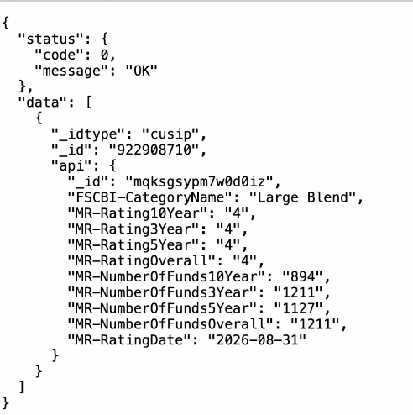
All content in the modal is static except for the values highlighted in green. These dynamic values are populated from the Morningstar ratings API using the following data points: ratingOverall, categorySizeOverall, categoryName, rating3Yr, rating5Yr, and rating10Yr. | 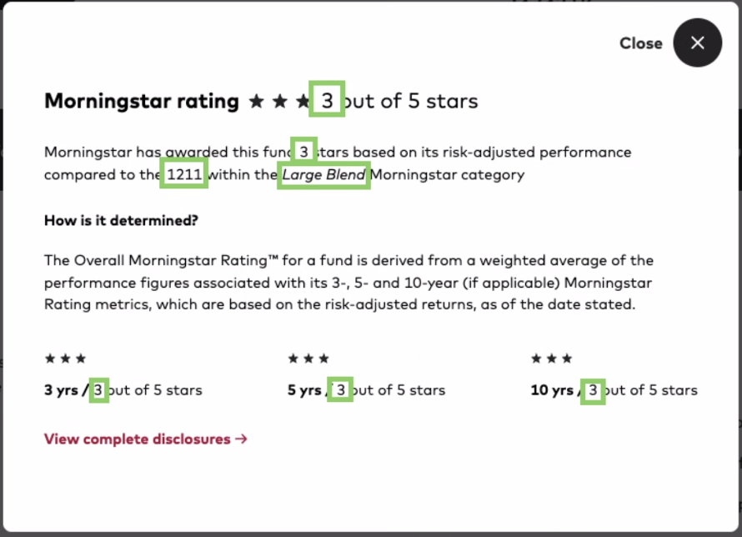

Morningstart Capture Ratios
Fund URL | https://advisors.vanguard.com/investments/products/vcobx/vanguard-core-bond-fund-admiral-shares
CUSIP | Get the CUSIP from the Fund Overview's “Fund Characteristics" section.
Genrate the Access Code | Generate the access token by calling the https://gsx-morningstar-token-webservice-external.ecs.us-east-1.fast.c1.vanguard.com/access-code endpoint. From the response, copy the value of the code field as the access code.
Genrate the URL by replacing the cusip & access_code | https://api.morningstar.com/v2/service/mf/nk27xx96xk2egkdq/cusip/{cusip}?format=json&accesscode={access_code} Example: https://api.morningstar.com/v2/service/mf/nk27xx96xk2egkdq/cusip/922020839?format=json&accesscode=s3gfqvvuw40e1p6gdgyl4ly05f468jh8
Retrieve Morningstar Capture Ratios | data → api → RMP-CaptureRatioUpside3Yr for 3 Year Upside data → api → RMP-CaptureRatioDownside3Yr for 3 Year Downside data → api → RMP-CaptureRatioUpside5Yr for 5 Year Upside data → api → RMP-CaptureRatioDownside5Yr for 5 Year Downside data → api → RMP-CaptureRatioUpside10Yr for 10 Year Upside data → api → RMP-CaptureRatioDownside10Yr for 10 Year Downside
Displaying the Capture Ratio under the Risk tab and in the Risk and Volatility table, with 3-Year, 5-Year, and 10-Year Tabs. | 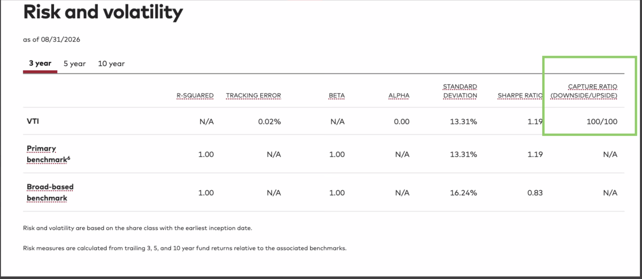

Morningstart Ranking
Fund URL | https://advisors.vanguard.com/investments/products/vcadx
GraphQL URL to Run the Query in the Browser | https://us-east-1.graphql-explorer.mstar.globaldatap.c1.vanguard.com/
GraphQL Query to Get the Morningstar Ranking | query ($identifiers: [String!]!) { findFundsByIdentifiers(identifierType: PORT, identifiers: $identifiers) { funds { identifier attributes { operations { morningstarCategoryName } trailingPerformances { effectiveDate trailingReturnY1AbsoluteRank trailingReturnY3AbsoluteRank trailingReturnY5AbsoluteRank trailingReturnY10AbsoluteRank trailingReturnY1CategoryRank trailingReturnY3CategoryRank trailingReturnY5CategoryRank trailingReturnY10CategoryRank trailingReturnY1CategorySize trailingReturnY3CategorySize trailingReturnY5CategorySize trailingReturnY10CategorySize } } } } } | 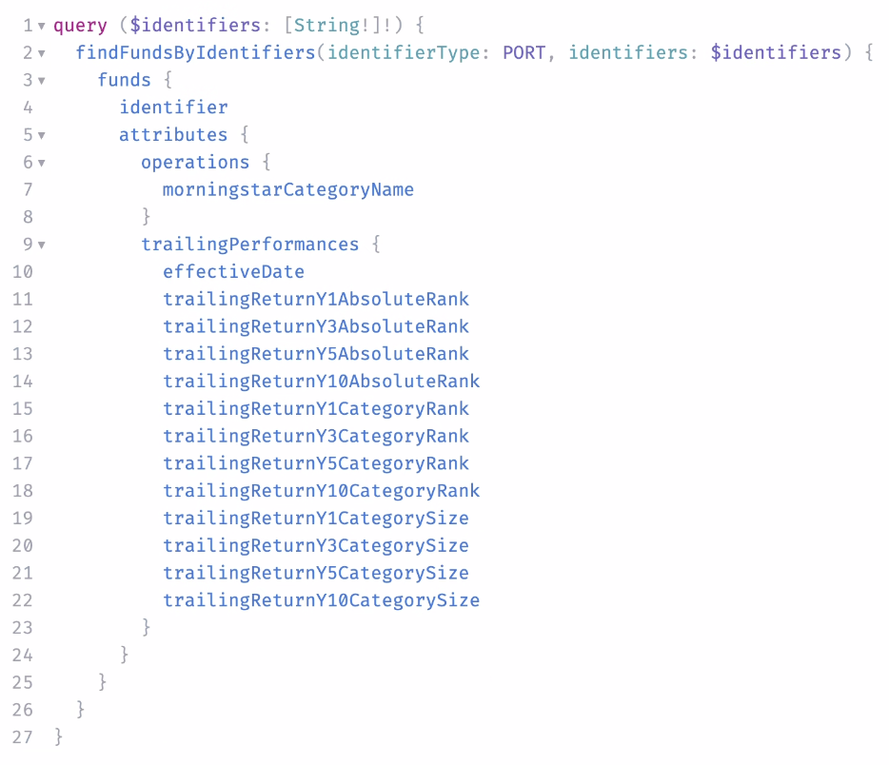
Add a variable to the GraphQL query. In the JSON format, add "identifiers", which represents the Fund-ID. Example: 5100 is the Fund-ID for Vanguard California Intermediate-Term Tax-Exempt Fund Admiral Shares. | { "identifiers": "5100" } | 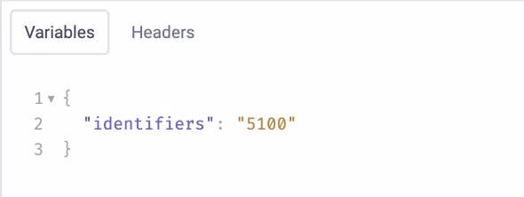
Once Run the GraphQL Query On the webpage, Morningstar Ranking is shown as follows: Morningstar Ranking Percentage: Percentage is calculated as 101 - trailingReturnY{year}CategoryRank, where 101 is the static value. Example: On 2026-08-31, Morningstar Ranking for Fund-ID: 5100 for 1 Year was 67% on the webpage. trailingReturnY1CategoryRank = 34 101 - 34 = 67 Therefore, 67% is displayed on the webpage. Trailing Return Rank: The rank is displayed as: trailingReturnY{year}AbsoluteRank/trailingReturnY{year}CategorySize Example: trailingReturnY1AbsoluteRank = 21 trailingReturnY1CategorySize = 55 Therefore, 21/55 is displayed on the webpage. | { "data": { "findFundsByIdentifiers": { "funds": [ { "identifier": "5100", "attributes": [ { "operations": [ { "morningstarCategoryName": "Muni California Intermediate" } ], "trailingPerformances": [ { "effectiveDate": "2026-08-31", "trailingReturnY1AbsoluteRank": "21", "trailingReturnY3AbsoluteRank": "4", "trailingReturnY5AbsoluteRank": "6", "trailingReturnY10AbsoluteRank": "5", "trailingReturnY1CategoryRank": "34", "trailingReturnY3CategoryRank": "9", "trailingReturnY5CategoryRank": "23", "trailingReturnY10CategoryRank": "12", "trailingReturnY1CategorySize": "55", "trailingReturnY3CategorySize": "50", "trailingReturnY5CategorySize": "48", "trailingReturnY10CategorySize": "42" } ] } ] } ] } } }
Example for Fund ID: 5100 and Fund Name Vanguard California Intermediate-Term Tax-Exempt Fund Admiral Shares
For 1 Year Morningstar Ranking Percentage: trailingReturnY1CategoryRank: 34 Trailing Return Rank: trailingReturnY1AbsoluteRank: 21 trailingReturnY1CategorySize: 55 | Morningstar Ranking Percentage: Subtract trailingReturnY1CategoryRank from the static value 101, and append % to the result. Example: If trailingReturnY1CategoryRank is 34, subtract it from 101 to get 67. Morningstar Ranking Percentage: 67% Trailing Return Rank: Display trailingReturnY1AbsoluteRank followed by / and trailingReturnY1CategorySize. Example: If trailingReturnY1AbsoluteRank is 21 and trailingReturnY1CategorySize is 55, the displayed value is 21/55.
For 3 Year Morningstar Ranking Percentage: trailingReturnY3CategoryRank: 9 Trailing Return Rank: trailingReturnY3AbsoluteRank: 4 trailingReturnY3CategorySize: 50 | Morningstar Ranking Percentage: Subtract trailingReturnY3CategoryRank from the static value 101, and append % to the result. Example: If trailingReturnY3CategoryRank is 9, subtract it from 101 to get 92. Morningstar Ranking Percentage: 92% Trailing Return Rank: Display trailingReturnY3AbsoluteRank followed by / and trailingReturnY3CategorySize. Example: If trailingReturnY3AbsoluteRank is 4 and trailingReturnY3CategorySize is 50, the displayed value is 4/50.
For 5 Year Morningstar Ranking Percentage: trailingReturnY5CategoryRank: 23 Trailing Return Rank: trailingReturnY5AbsoluteRank: 6 trailingReturnY5CategorySize: 48 | Morningstar Ranking Percentage: Subtract trailingReturnY5CategoryRank from the static value 101, and append % to the result. Example: If trailingReturnY5CategoryRank is 23, subtract it from 101 to get 78. Morningstar Ranking Percentage: 78% Trailing Return Rank: Display trailingReturnY5AbsoluteRank followed by / and trailingReturnY5CategorySize. Example: If trailingReturnY5AbsoluteRank is 6 and trailingReturnY5CategorySize is 48, the displayed value is 6/48.
For 10 Year Morningstar Ranking Percentage: trailingReturnY10CategoryRank: 12 Trailing Return Rank: trailingReturnY10AbsoluteRank: 5 trailingReturnY10CategorySize: 42 | Morningstar Ranking Percentage: Subtract trailingReturnY10CategoryRank from the static value 101, and append % to the result. Example: If trailingReturnY10CategoryRank is 12, subtract it from 101 to get 89. Morningstar Ranking Percentage: 89% Trailing Return Rank: Display trailingReturnY10AbsoluteRank followed by / and trailingReturnY10CategorySize. Example: If trailingReturnY10AbsoluteRank is 5 and trailingReturnY10CategorySize is 42, the displayed value is 5/42.

IBOR
Fund URL | https://advisors.vanguard.com/investments/products/vsgx/vanguard-esg-international-stock-etf#portfolio
Ticker: | VSGX

Generate the Token Generate the token in Bruno using the following configuration: API Method: POST Body Parameters: `client_id`, `client_secret`, and `grant_type` On Successful API Response Copy the `access_token` from the API response and paste it into the Bearer Token field under the Auth tab. | https://vanguardesf.oktapreview.com/oauth2/aus1ldamdhnQqD1QE0h8/v1/token | 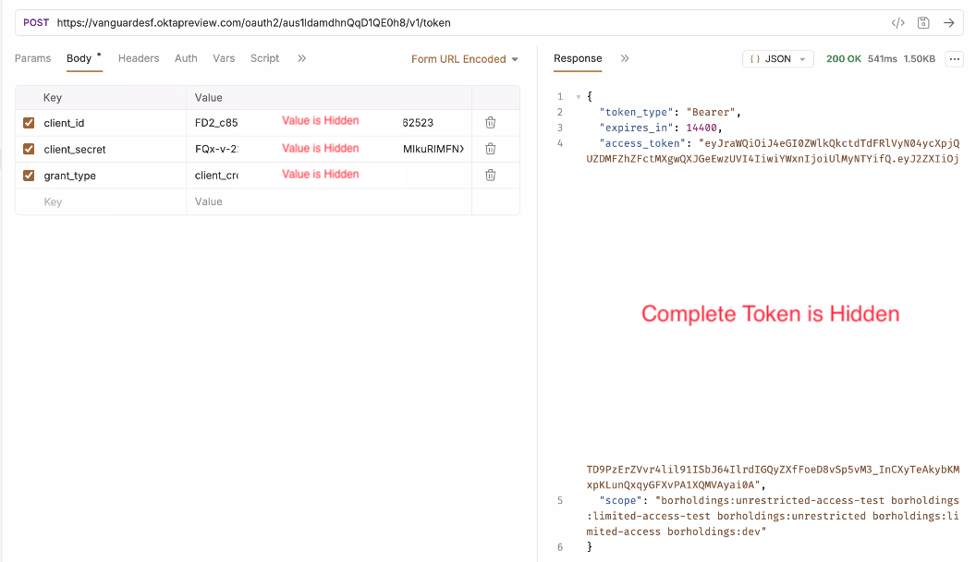
Get Holding Details Use the following configuration to retrieve the holding details: API Method: GET Query Parameters:`port_id`, and `offset` | https://positions.bors.globaldatat.c1.vanguard.com/IBOR/EOD/positions?port_id=4394&offset=6653 | 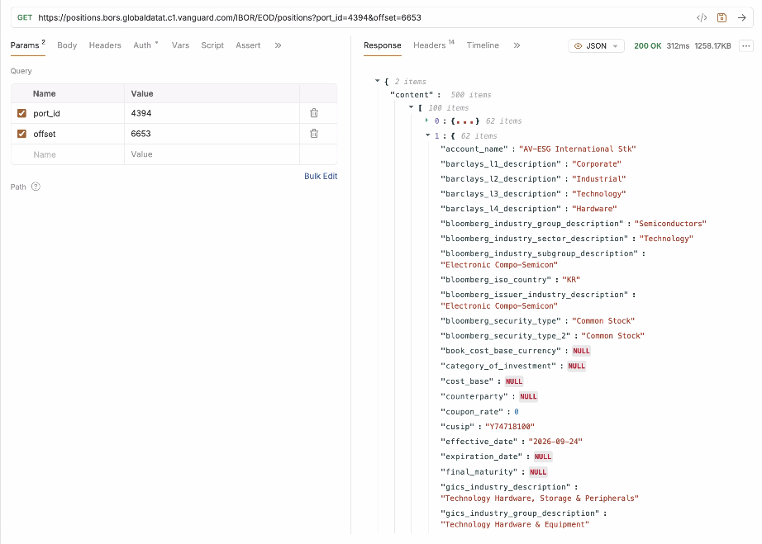
Note: | We do not have separate APIs to retrieve values for Equity, Fixed Income, Short-term Reserves, Derivatives, and Portfolio Composition File. The values for each category need to be retrieved from the same API by passing the appropriate offset based on the number of entries in the preceding categories. To identify the data, use the security_main_type field from the API response: EQ → Equity FI → Fixed Income MM, CRNY or security_type == 'CASH' → Short-term Reserves CT or DE → Derivatives Example 1: To retrieve the value for Short-term Reserves, if Equity has 6,653 entries and Fixed Income has 0 entries, pass an offset of 6,653 to the API. Example 2: To retrieve the value for Derivatives, if Equity has 6,653 entries, Fixed Income has 0 entries, and Short-term Reserves has 39 entries, pass an offset of 6,692 (6,653 + 0 + 39) to the API.
Special Cases | - PortId 5123 (monthly): MF holdings with security_type === 'MF.MF' go into equity instead of fund-of-funds - PortId V056 (daily): EQ holdings with security_type === 'EQ.ETF' go into fixed income instead of equity

Equity
Attributes | Data Source | Note
As of Date Example: as of 09/24/2026 | content → [Index] → effective_date | Formatting the date from YYYY-MM-DD format to MM/DD/YYYY format.
HOLDINGS Example: Samsung Electronics Co Ltd (005930) | content → [Index] → issuer_name content → [Index] → ticker | Concatenate issuer_name and ticker, with ticker enclosed in parentheses. If issuer_name is empty, display only ticker without parentheses.
% OF FUNDS* Example: 2.92% | content → [Index] → marketvaluepercentage | Round the percentage to two decimal places and append the % symbol. If the percentage is less than 0.01%, display <0.01% instead.
MARKET VALUE* Example: $198,882,818.84 | content → [Index] → market_value_base_currency | Formatting the number using the US number format, prefixing it with the "$" sign, and displaying two decimal places. Example: 123456789 → $123,456,789.00
SHARES Example: 951,919 | content → [Index] → quantity | Format the number into the US number format. Example: 123456789 → 123,456,789
CUSIP Example: Y74718100 | content → [Index] → cusip | Displaying the same value as received in the API response. Display "-" when the value is unavailable.
SEDOL Example: 6771720 | content → [Index] → sedol_1 | Displaying the same value as received in the API response.

Fixed Income
Attributes | Data Source | Note
Getting Placeholder Message This fund has no fixed income holdings.

Short-term reserves
Attributes | Data Source | Note
As of Date Example: as of 09/24/2026 | content → [Index] → effective_date | Formatting the date from YYYY-MM-DD format to MM/DD/YYYY format.
HOLDINGS Example: MKTLIQ | content → [Index] → issuer_name content → [Index] → ticker | Concatenate issuer_name and ticker, with ticker enclosed in parentheses. If issuer_name is empty, display only ticker without parentheses.
% OF FUNDS* Example: 0.40% | content → [Index] → marketvaluepercentage | Round the percentage to two decimal places and append the % symbol. If the percentage is less than 0.01%, display <0.01% instead.
MARKET VALUE* Example: $26,914,592.57 | content → [Index] → market_value_base_currency | Formatting the number using the US number format, prefixing it with the "$" sign, and displaying two decimal places. Example: 123456789 → $123,456,789.00
CUSIP Example: CMT001142 | content → [Index] → cusip | Displaying the same value as received in the API response. Display "-" when the value is unavailable.
SEDOL Example: - | content → [Index] → sedol_1 | Displaying the same value as received in the API response. Display "-" when the value is unavailable.

Derivatives
Attributes | Data Source | Note
As of Date Example: as of 09/24/2026 | content → [Index] → effective_date | Formatting the date from YYYY-MM-DD format to MM/DD/YYYY format.
DESCRIPTION Example: MSCI EAFE Dec26 | content → [Index] → issuer_name content → [Index] → security_long_description | Displying issuer_name. If issuer_name is empty, displaying the security_long_description.
% OF FUNDS* Example: 0.41% | content → [Index] → marketvaluepercentage | Round the percentage to two decimal places and append the % symbol. If the percentage is less than 0.01%, display <0.01% instead.
MARKET VALUE* Example: $28,213,085.00 | content → [Index] → market_value_base_currency | Formatting the number using the US number format, prefixing it with the "$" sign, and displaying two decimal places. Example: 123456789 → $123,456,789.00
# OF CONTRACTS Example: 179 | content → [Index] → quantity | Format the number into the US number format. Example: 123456789 → 123,456,789
NOTIONAL VALUE Example: $28,213,085.00 | content → [Index] → notional_value | Formatting the number using the US number format, prefixing it with the "$" sign, and displaying two decimal places. Example: 123456789 → $123,456,789.00

Portfolio Composition File
Note: First, review and accept the Terms & Conditions to view the data.
Attributes | Data Source | Note
As of Date Example: Portfolio composition as of 09/25/2026 | content → [Index] → effective_date | Formatting the date from YYYY-MM-DD format to MM/DD/YYYY format.
Ticker Example: LTM | content → [Index] → ticker | Displaying the same value as received in the API response.
DESCRIPTION Example: Latam Airlines Group SA | content → [Index] → security_long_description | Displaying the same value as received in the API response.
SHARES Example: 131,859 | content → [Index] → quantity | Format the number into the US number format. Example: 123456789 → 123,456,789

ABOR
Fund URL | https://advisors.vanguard.com/investments/products/vbaix/vanguard-balanced-index-fund-institutional-shares#portfolio
Ticker: | VBAIX

Generate the Token Generate the token in Bruno using the following configuration: API Method: POST Body Parameters: `client_id`, `client_secret`, and `grant_type` On Successful API Response Copy the `access_token` from the API response and paste it into the Bearer Token field under the Auth tab. | https://vanguardesf.oktapreview.com/oauth2/aus1ldamdhnQqD1QE0h8/v1/token
Get Holding Details Use the following configuration to retrieve the holding details: API Method: GET Query Parameters:`port_id`, `effective_date`, and `offset` | https://positions.bors.globaldatat.c1.vanguard.com/ABOR/EOM/positions?port_id=0869&offset=3300 https://positions.bors.globaldatat.c1.vanguard.com/ABOR/EOM/positions?port_id=0869&effective_date=2026-07-31&offset=3300 | 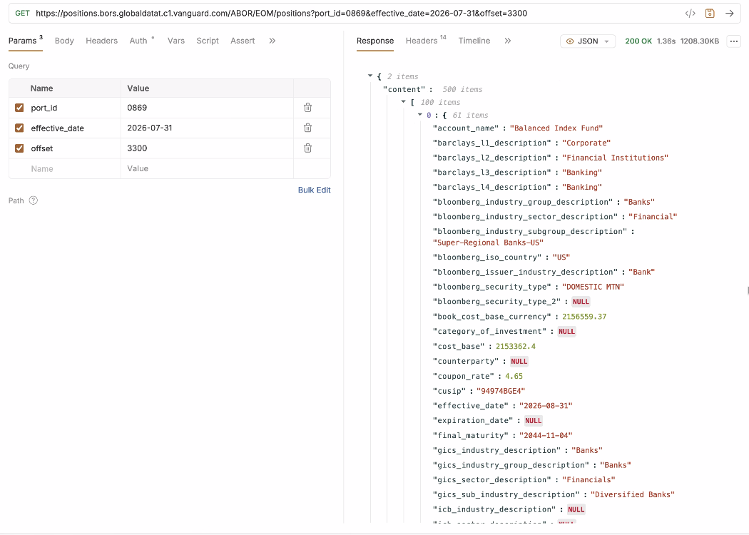
Note: | We do not have separate APIs to retrieve values for Equity, Fixed Income, Short-term Reserves. The values for each category need to be retrieved from the same API by passing the appropriate offset based on the number of entries in the preceding categories. To identify the data, use the security_main_type field from the API response: EQ → Equity FI → Fixed Income MM, CRNY or security_type == 'CASH' → Short-term Reserves Example 1: To retrieve the value for Fixed income, if Equity has 3,218 entries, pass an offset of 3,218 to the API. Example 2: To retrieve the value for Short-term reserves, if Equity has 3,218 entries, and Fixed Income has 12,720 entries, pass an offset of 15,938 (3,218 + 12,720) to the API.

Equity
Attributes | Data Source | Note
As of Date Example: as of 08/31/2026 | content → [Index] → effective_date | Formatting the date from YYYY-MM-DD format to MM/DD/YYYY format.
HOLDINGS Example: NVIDIA Corp (NVDA) | content → [Index] → issuer_name content → [Index] → ticker | Concatenate issuer_name and ticker, with ticker enclosed in parentheses. If issuer_name is empty, display only ticker without parentheses.
% OF FUNDS Example: 4.24% | content → [Index] → marketvaluepercentage | Round the percentage to two decimal places and append the % symbol. If the percentage is less than 0.01%, display <0.01% instead.
SUB-INDUSTRY Example: Semiconductors | content → [Index] → gics_sub_industry_description | Displaying the same value as received in the API response.
MARKET VALUE Example: $2,696,465,400.02 | content → [Index] → market_value_base_currency | Formatting the number using the US number format, prefixing it with the "$" sign, and displaying two decimal places. Example: 123456789 → $123,456,789.00
SHARES Example: 12,213,359 | content → [Index] → quantity | Format the number into the US number format. Example: 123456789 → 123,456,789

Fixed Income
Attributes | Data Source | Note
As of Date Example: as of 08/31/2026 | content → [Index] → effective_date | Formatting the date from YYYY-MM-DD format to MM/DD/YYYY format.
HOLDINGS Example: United States Treasury Note/Bond | content → [Index] → issuer_name | Displaying the same value as received from the API.
% OF FUNDS Example: 0.66% | content → [Index] → marketvaluepercentage | Round the percentage to two decimal places and append the % symbol. If the percentage is less than 0.01%, display <0.01% instead.
MARKET VALUE Example: $420,503,112.77 | content → [Index] → market_value_base_currency | Formatting the number using the US number format, prefixing it with the "$" sign, and displaying two decimal places. Example: 123456789 → $123,456,789.00
FACE AMOUNT Example: $422,251,500.00 | content → [Index] → quantity | Round the percentage to two decimal places and Formatting the number using the US number format, prefixing it with the "$" sign, and displaying two decimal places. Example: 123456789 → $123,456,789.00
COUPON Example: 4.25% | content → [Index] → coupon_rate | Round the percentage to two decimal places and append the “%” sign.
MATURITY DATE Example: 08/15/2029 | content → [Index] → final_maturity | Formatting the date from YYYY-MM-DD format to MM/DD/YYYY format.

Short-term reserves
Attributes | Data Source | Note
As of Date Example: as of 08/31/2026 | content → [Index] → effective_date | Formatting the date from YYYY-MM-DD format to MM/DD/YYYY format.
HOLDINGS Example: MKTLIQ | content → [Index] → issuer_name content → [Index] → security_long_description | Displying issuer_name. If issuer_name is empty, displaying the security_long_description.
% OF FUNDS Example: 0.66% | content → [Index] → marketvaluepercentage | Round the percentage to two decimal places and append the % symbol. If the percentage is less than 0.01%, display <0.01% instead.
MARKET VALUE Example: $419,949,057.19 | content → [Index] → market_value_base_currency | Formatting the number using the US number format, prefixing it with the "$" sign, and displaying two decimal places. Example: 123456789 → $123,456,789.00
MATURITY DATE Example: 12/31/2049 | content → [Index] → final_maturity | Formatting the date from YYYY-MM-DD format to MM/DD/YYYY format. Display "-" when the value is unavailable.

